Sheet1
DATE | INV NO. | DESCRIPTIONS | AMOUNT | BILLS | PRICE | TOTAL
14-Oct-2025 | SO05LC2510002108 | PLENTY PRO COCKTAIL NAPKIN BORDER | 48 | 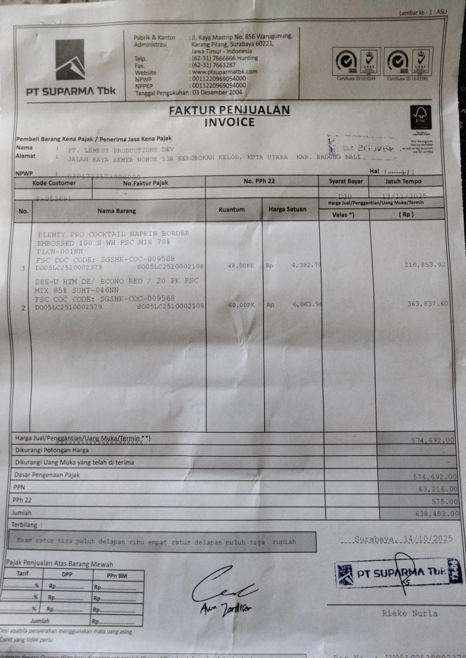 | IDR 4,393 | 210,854
 |  | SEE-U HTM / ECONO RED | 60 |  | IDR 6,064 | 363,838
 | SALES PRICE |  |  |  |  | Rp574,692
 | PPN |  |  |  |  | Rp63,216
 | PPh 22 |  |  |  |  | Rp575.00
 | TOTAL |  |  |  |  | Rp638,483
GRAND TOTAL |  |  |  | Rp638,483

